General Instructions_Manual
Sample MLESF Data Processing
Return to File Directory

Siblings
 | Choose Dialect |  | English
 | Instruction:
 |  | 1. Only 1 answer is required, just select one (1) applicable combination if more than 1 condition is appropriate.
 |  | 2. The total column must be equal with the number of respondents per grade level (validation apply).
 |  | 3. Total column per grade level must not exceed to 5000.

 |  | *For Prospective Adviser
 |  | 1. Review all MLESF for Accuracy/completeness
 |  | 2. For question with posisble multiple answers, select applicable combination as listed/grouped in this form
MLESF Summary Matrix
 |  | 3. Submit to Grade Level Enrollment Chair (GLEC) if any or to School Enrollment Focal Person (SEFP).

 |  | For Grade Level Enrollment Chair (if any)
 |  | 1. Review all Summary Matrix submitted by advisers, check for accuracy/completeness
 |  | 2. Prepare a Summary Matrix with totality for all items/questions of all sections
 |  | 3. Submit the Accomplished Summary Matrix (Grade level) to School Enrollment Focal Person (SEFP)

1
 |  | For School Enrollment Focal Person (SEFP)
 |  | 1. Review all Grade Level Summary Matrix submitted by GLEC, check for accuracy/completeness
 |  | 2. Prepare a Summary Matrix with totality for all items/questions of all Grade Levels
 |  | 3. Submit the Accomplished Summary Matrix (School level) to School Head for review and approval and then to LIS System Administrator
10
1
 |  | For LIS System Administrator
 |  | 1. Review the School Level Summary Matrix validate the correctness of enrollment count vis-à-vis the number of respondents
 |  | 2. Login to LIS and click the QC Folder available in the Dashboard
 |  | 3. Input total count for each table as appeared in the Summary Matrix. May use the assigned code as appopriate for easy reference.

 |  | For LARGE SCHOOLS with MORE THAN 4 SECTIONS per grade level
 |  | 1. Before using the Automated MLESF Summary Consolidator for Large School Excel File, the Grade Level Enrollment Chair will use the
 |  | automated MLESF Summary Consolidator for Small School. The Grade Level Enrollment Chair will just rename the following tabsheets into the names of each section
 |  | where the prospective adviser will encode his/her consolidated data.
 |  | 2. The accomplished Summary Matrix MLESF tabsheet will be ready for forwarding to School Enrollment Focal person for encoding in the Automated MLESF
 |  | Summary Consolidator for Large School File

 | C2. Parent/Gurdian Highest Educational Attainment (select only parent/guardian per learner having the highest educational attainment)
 |  | HEA | (Highest Educational Attainment )- Choose only the Highest Educational Attainment of Mother from MLESF and tag to the MLESF Summary
 |  | Sample:
 |  | Father - Elementary Level
 |  | Mother - High School Graduate
 |  | Guardian - Elementary Graduate

 | D1. How many of your household members (including the enrollee) are studying in School Year 2021-2022? (No.of Learner/s in a Household)
 | Grade Level | Only 1 Household Member | 2 Household Members | 3 Household Members | 4 Household Members | 5 Household Members | 6 Household Members | 7 Household Members | Total (Must be equalled vis-à-vis Enrollment per Class/Grade Level)
 | Kinder |  |  | 1

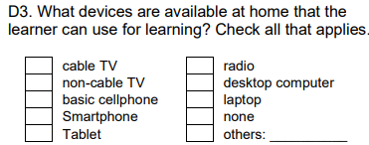
1
Non-cable TV
Cabled/Non-Cabled TV=Television
Basic/Smartphone = Cellular Phone
Desktop/Laptop = Desktop/Laptop
 |  | Sample
 |  | From MLESF, the respondent selected Kinder, Grade 3 and Grade 7
 |  | Kinder
 |  | Grade 3
 |  | Grade 7
 |  | Total 3
 |  | From 1-7 (columns) Select Column 3

Cabled/Non-Cabled TV=Television
Basic/Smartphone = Cellular Phone
Desktop/Laptop = Desktop/Laptop
 | D3. What devices are available at home that the learner can use for learning?
 |  | Cabled/Non-Cabled TV = Television
 |  | Basic/Smartphone - Cellular Phone
 |  | Desktop and/or Laptop = Desktop/Laptop

 |  | For Tablet: Select "Tablet" if this is the only available gadget/device available. If the tablet is available together with other devices, for the purposes of tagging devices during Quickcount, tablet may be considered/categorized under "Cellular Phone". But please be reminded that upon encoding MLESF individual data in LIS BOSY Learner Profile, actual responces shall be posted.

SAMPLE OF MLESF RESULT TABULATION
FOR CLASS ADVISER

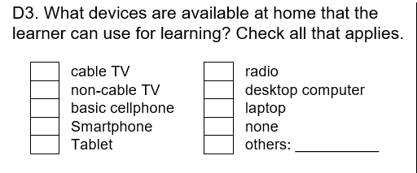
Kinder Learner 1
Kinder Learner 2
Kinder Learner 3
Kinder Learner 4

SUMMARY MATRIX OF SELECTED DATA ELEMENTS OF MLESF

13

13

